Cover
PLEASE READ ALL OF THE INSTRUCTIONS PAGE AND COMPLETE ALL OF THE 3 HIGHLIGTED PAGES. THANK YOU.


2024 MegaChurch
Compensation
Survey Questionnaire (for churches with more than 2,000 in weekly attendance)

The harvest is plentiful but the workers are few. Ask the Lord of the harvest, therefore, to send out workers into His harvest field.
Matthew 9:37-38

Church Compensation Services, LLC

Main Campus Org Chart (Example)
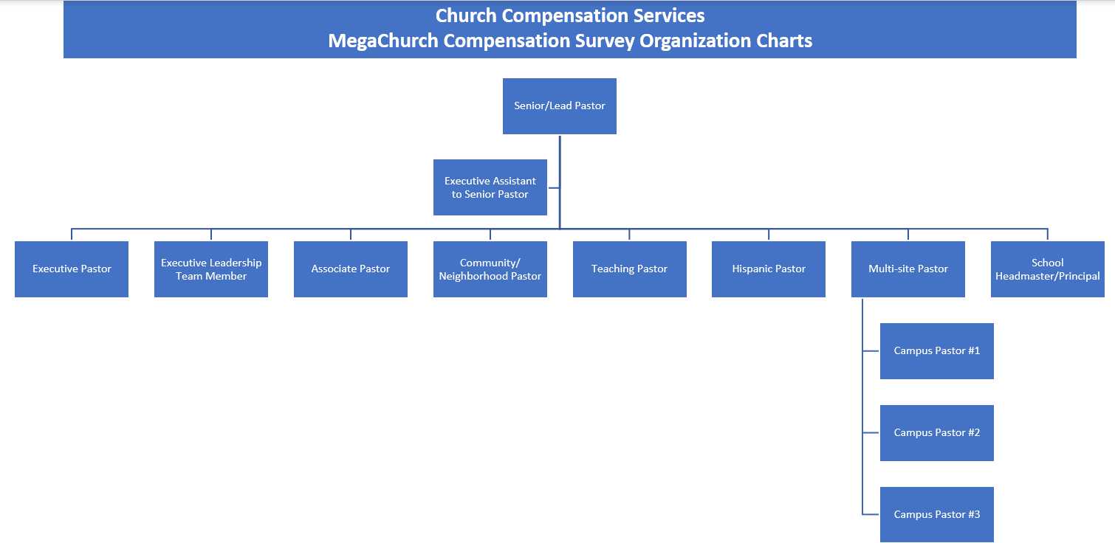
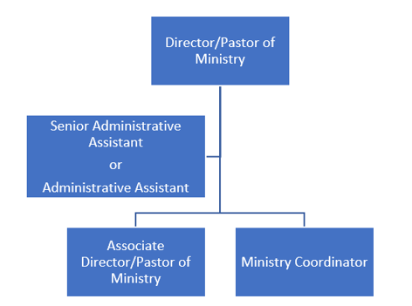
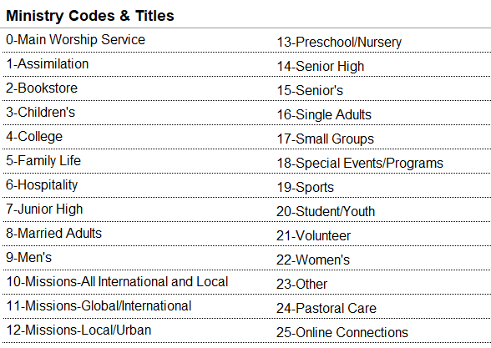
You do not have to do anything on this page. It is an example of the hierarchy of the jobs included in this survey on the "Main Campus Positions" tab and is for reference only when matching your jobs to the survey jobs.

