Cover


2024 Regional Campus
Compensation
Survey Questionnaire
(For multi-site satellite or regional church campuses)

The harvest is plentiful but the workers are few. Ask the Lord of the harvest, therefore, to send out workers into His harvest field.
Matthew 9:37-38

Church Compensation Services, LLC

Reg Campus Org Chart (Example)
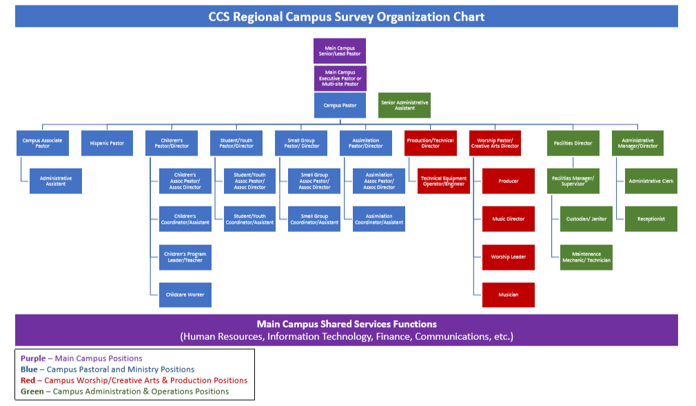
You do not have to do anything on this page. It is an example of the hierarchy of the jobs included in this survey on the "Regional Campus Positions" tab and is for reference only when matching your jobs to the survey jobs.

